Sheet1
 | OPCODE
Instruction | 31 | 30 | 29 | 28 | 27 | 26 | 25 | 24 | 23 | 22 | 21 | 20 | 19 | 18 | 17 | 16 | 15 | 14 | 13 | 12 | 11 | 10 | 9 | 8 | 7 | 6 | 5 | 4 | 3 | 2 | 1 | 0 | Description of Instruction | Example Usage of Instruction
add | 0 | 0 | 0 | 0 | dest. Reg |  |  |  | Source Reg 1 |  |  |  |  |  |  |  |  |  |  |  |  |  |  |  |  |  |  |  | Source Reg 2 |  |  |  | Add contents of reg Soure Register 1 with contents of Source Register 2, store results in the Destination Register. | add DR, SR1, SR2
nand | 0 | 0 | 0 | 1 | dest. Reg |  |  |  | Source Reg 1 |  |  |  |  |  |  |  |  |  |  |  |  |  |  |  |  |  |  |  | Source Reg 2 |  |  |  | performs a logical NAND (AND NOT) on the source operands obtained from SR1 and SR2. The result is stored in DR. note: A nand A = not A | nand DR, SR1, SR2
addi | 0 | 0 | 1 | 0 | dest. Reg |  |  |  | Source Reg 1 |  |  |  | 20-bit Immediate Value (2's complement number from -524288 to +524287) |  |  |  |  |  |  |  |  |  |  |  |  |  |  |  |  |  |  |  | Add the Immediate value to the contents of reg Souce Register 1 and store the result in the Destination register | addi DR, SR1, immval20
lw | 0 | 0 | 1 | 1 | dest. Reg |  |  |  | Source Reg 1 |  |  |  | 20-bit Address Offset (2's complement number from -524288 to +524287) |  |  |  |  |  |  |  |  |  |  |  |  |  |  |  |  |  |  |  | An address is computed by sign-extending bits [19:0] to 32 bits and then adding this result to the contents of the register specified by bits [23:20]. The 32-bit word at this address is loaded into DR. | lw DR, offset20(BaseR)
sw | 0 | 1 | 0 | 0 | dest. Reg |  |  |  | Base Reg 1 |  |  |  | 20-bit Address Offset (2's complement number from -524288 to +524287) |  |  |  |  |  |  |  |  |  |  |  |  |  |  |  |  |  |  |  | An address is computed by sign-extending bits [19:0] to 32 bits and then adding this result to the contents of the register specified by bits [23:20]. The 32-bit word obtained from register SR is then stored at this address. | sw SR, offset20(BaseR)
br | 0 | 1 | 0 | 1 |  |  |  |  |  |  |  |  | 20-bit PC Offset (2's complement number from -524288 to +524287) |  |  |  |  |  |  |  |  |  |  |  |  |  |  |  |  |  |  |  | This is PC + 1 + OFFSET. | br offset20
jalr | 0 | 1 | 1 | 0 | Target Reg, at |  |  |  | Link Reg, ra |  |  |  |  |  |  |  |  |  |  |  |  |  |  |  |  |  |  |  |  |  |  |  | First, the incremented PC (address of the instruction + 1) is stored into register RA. Next, the PC is loaded with the value of register AT, and the computer resumes execution at the new PC. | jalr RA, AT
halt | 0 | 1 | 1 | 1 |  |  |  |  |  |  |  |  |  |  |  |  |  |  |  |  |  |  |  |  |  |  |  |  |  |  |  |  | The machine is brought to a halt and executes no further instructions. | halt
blt | 1 | 0 | 0 | 0 | Source Reg 1 |  |  |  | Source Reg 2 |  |  |  | 20-bit PC Offset (2's complement number from -524288 to +524287) |  |  |  |  |  |  |  |  |  |  |  |  |  |  |  |  |  |  |  | A branch is taken if SR1 is less than SR2. If this is the case, the PC will be set to the sum of the incremented PC (since we have already undergone fetch) and the sign-extended offset[19:0]. | blt SR1, SR2, offset20
bgt | 1 | 0 | 0 | 1 | Source Reg 1 |  |  |  | Source Reg 2 |  |  |  | 20-bit PC Offset (2's complement number from -524288 to +524287) |  |  |  |  |  |  |  |  |  |  |  |  |  |  |  |  |  |  |  | A branch is taken if SR1 is greater than SR2. If this is the case, the PC will be set to the sum of the incremented PC (since we have already undergone fetch) and the sign-extended offset[19:0]. | bgt SR1, SR2, offset20
lea | 1 | 0 | 1 | 0 | dest. Reg |  |  |  |  |  |  |  | 20-bit PC Offset (2's complement number from -524288 to +524287) |  |  |  |  |  |  |  |  |  |  |  |  |  |  |  |  |  |  |  | An address is computed by sign-extending bits [19:0] to 32 bits and adding this result to the incrementedPC (address of instruction + 1). It then stores the computed address into register DR. | lea DR, label
 | 1 | 0 | 1 | 1
 | 1 | 1 | 0 | 0
 | 1 | 1 | 0 | 1
 | 1 | 1 | 1 | 1

nop | actually a psuedocode instruction (i.e the assembler will emit add $zero, $zero, $zero)
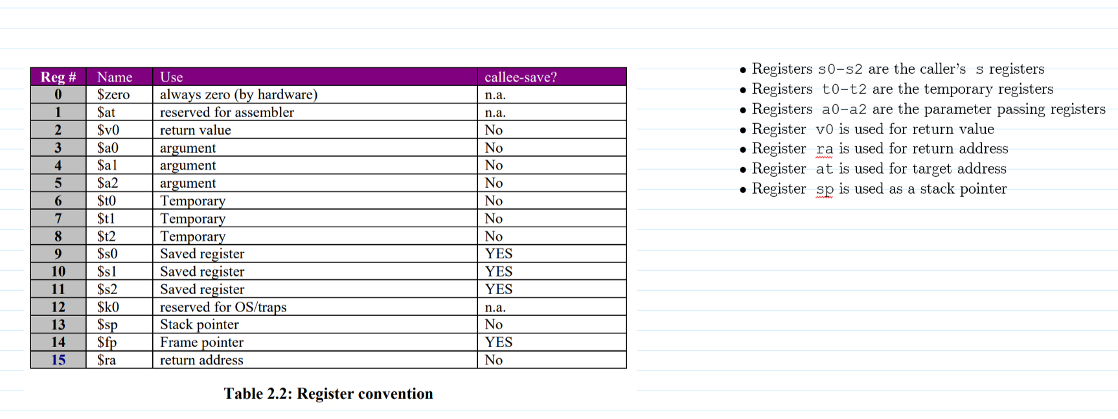

Instruction | 31 | 30 | 29 | 28 | 27 | 26 | 25 | 24 | 23 | 22 | 21 | 20 | 19 | 18 | 17 | 16 | 15 | 14 | 13 | 12 | 11 | 10 | 9 | 8 | 7 | 6 | 5 | 4 | 3 | 2 | 1 | 0 | dec value
add | 0 | 0 | 0 | 0 | dest. Reg |  |  |  | Source Reg 1 |  |  |  |  |  |  |  |  |  |  |  |  |  |  |  |  |  |  |  | Source Reg 2
 | 0 | 0 | 0 | 0 | 0 | 1 | 1 | 1 | 0 | 1 | 1 | 0 | 0 | 0 | 0 | 0 | 0 | 0 | 0 | 0 | 0 | 0 | 0 | 0 | 0 | 0 | 0 | 0 | 0 | 1 | 0 | 1 | 123731973
nand | 0 | 0 | 0 | 1 | dest. Reg |  |  |  | Source Reg 1 |  |  |  |  |  |  |  |  |  |  |  |  |  |  |  |  |  |  |  | Source Reg 2
 | 0 | 0 | 0 | 1 | 0 | 1 | 1 | 1 | 0 | 1 |  |  |  |  |  |  |  |  |  |  |  |  |  |  |  |  |  |  |  |  |  |  | 390070272
addi | 0 | 0 | 1 | 0 | dest. Reg |  |  |  | Source Reg 1 |  |  |  | 20-bit Immediate Value (2's complement number from -524288 to +524287)
 | 0 | 0 | 1 | 0 | 0 | 1 | 1 | 1 | 0 | 1 | 1 | 0 | 0 | 0 | 0 | 0 | 0 | 0 | 0 | 0 | 0 | 0 | 0 | 0 | 0 | 0 | 0 | 0 | 0 | 0 | 0 | 1 | 660602881
lw | 0 | 0 | 1 | 1 | dest. Reg |  |  |  | Source Reg 1 |  |  |  | 20-bit Address Offset (2's complement number from -524288 to +524287)
 |  |  |  |  |  |  |  |  |  |  |  |  |  |  |  |  |  |  |  |  |  |  |  |  |  |  |  |  |  |  |  |  | 0
sw | 0 | 1 | 0 | 0 | dest. Reg |  |  |  | Base Reg 1 |  |  |  | 20-bit Address Offset (2's complement number from -524288 to +524287)
 |  |  |  |  |  |  |  |  |  |  |  |  |  |  |  |  |  |  |  |  |  |  |  |  |  |  |  |  |  |  |  |  | 0
br | 0 | 1 | 0 | 1 |  |  |  |  |  |  |  |  | 20-bit PC Offset (2's complement number from -524288 to +524287)
 |  |  |  |  |  |  |  |  |  |  |  |  |  |  |  |  |  |  |  |  |  |  |  |  |  |  |  |  |  |  |  |  | 0
jalr | 0 | 1 | 1 | 0 | Target Reg, at |  |  |  | Link Reg, ra
 |  |  |  |  |  |  |  |  |  |  |  |  |  |  |  |  |  |  |  |  |  |  |  |  |  |  |  |  |  |  |  |  | 0
blt | 1 | 0 | 0 | 0 | Source Reg 1 |  |  |  | Source Reg 2 |  |  |  | 20-bit PC Offset (2's complement number from -524288 to +524287)
 |  |  |  |  |  |  |  |  |  |  |  |  |  |  |  |  |  |  |  |  |  |  |  |  |  |  |  |  |  |  |  |  | 0
bgt | 1 | 0 | 0 | 1 | Source Reg 1 |  |  |  | Source Reg 2 |  |  |  | 20-bit PC Offset (2's complement number from -524288 to +524287)
 |  |  |  |  |  |  |  |  |  |  |  |  |  |  |  |  |  |  |  |  |  |  |  |  |  |  |  |  |  |  |  |  | 0
lea | 1 | 0 | 1 | 0 | dest. Reg |  |  |  |  |  |  |  | 20-bit PC Offset (2's complement number from -524288 to +524287)
 |  |  |  |  |  |  |  |  |  |  |  |  |  |  |  |  |  |  |  |  |  |  |  |  |  |  |  |  |  |  |  |  | 0

